Line Charts
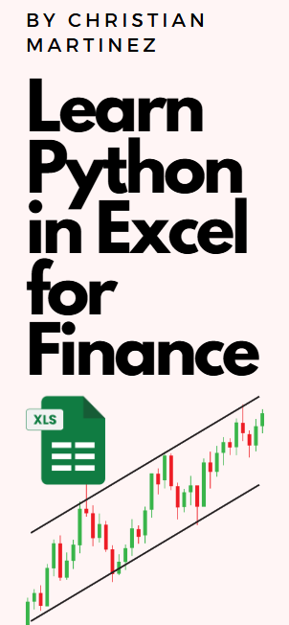
Data Visualization with Python in Excel for Beginners - Line Charts
Prepare Dummy Financial Data
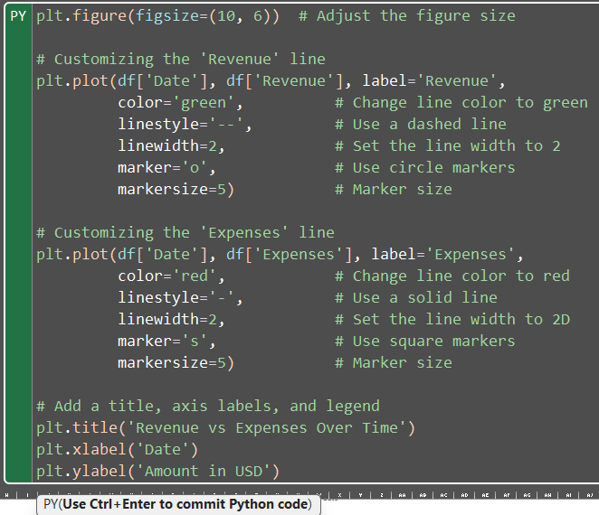
Let’s create a dummy dataset that mimics monthly financial data over a few years, including Revenue, Expenses, and Profit:

0

You can replace this with your own data

Basic Plot (with minimal customization)

 | 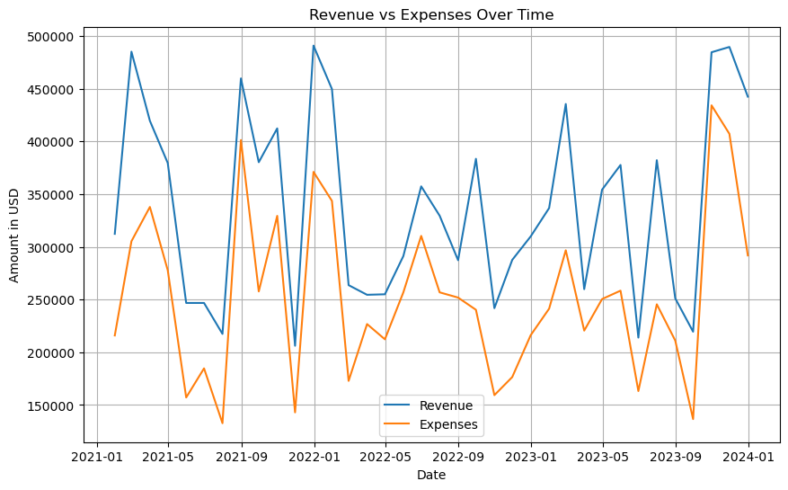

Customizing Plots (Step-by-Step)

Now, let's go deeper into how you can customize various aspects of the plot, such as colors, styles, markers, legends, grids, and more.

1. Customizing Line Styles, Colors, and Markers

You can change the line style (solid, dashed, dotted), colors, and markers (circles, squares, triangles, etc.) for better distinction between data series.

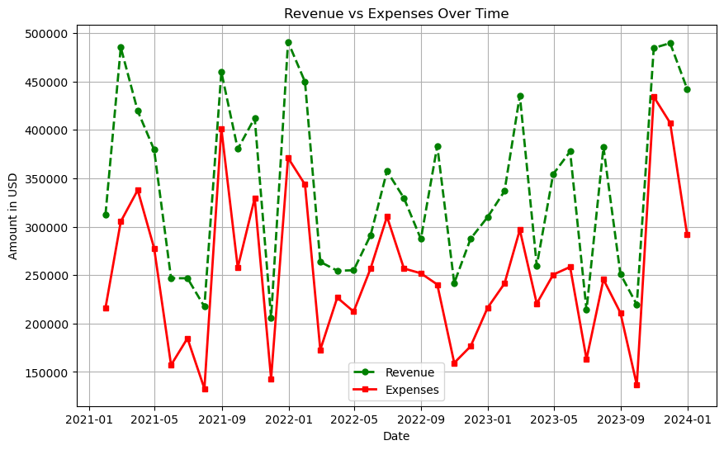

Explanation:

color='green': Sets the line color to green for Revenue and red for Expenses.
linestyle='--': Sets the line style to dashed (--). Other options include:
'-': Solid line
':': Dotted line
`'-.': Dash-dot line
marker='o': Adds circular markers for each data point. Other options include:
's': Square
'^': Triangle
'*': Star
markersize=5: Adjusts the size of the marker.

2. Customizing Titles, Labels, and Fonts

You can customize the fonts, sizes, and styles of the title and axis labels for better readability.

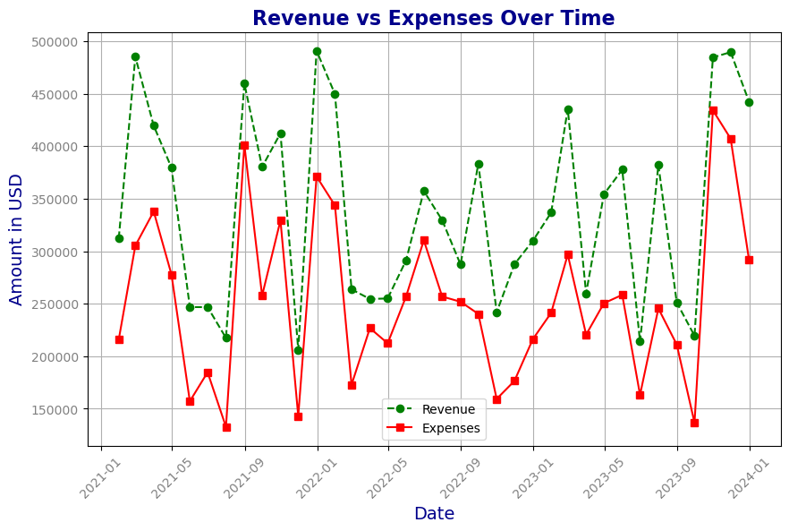

Explanation:

fontsize=16: Sets the font size for the title to 16.
fontweight='bold': Makes the title bold.
color='darkblue': Changes the text color of the title and labels.
plt.xticks(rotation=45): Rotates the x-axis labels by 45 degrees for better readability (useful when dates overlap).
plt.yticks(): Allows you to customize y-axis ticks similarly to x-ticks.

3. Customizing Grids and Background

You can customize the grid lines and add a background color to the plot for a polished look.
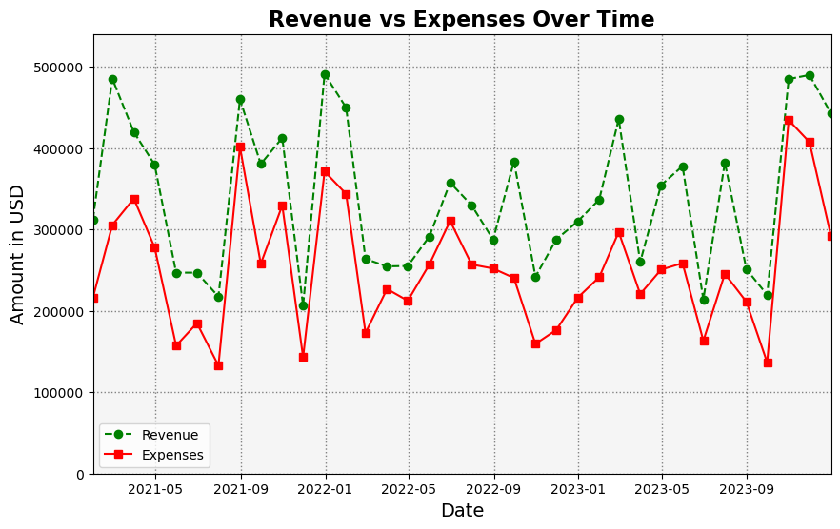

Explanation:

plt.grid(color='gray', linestyle=':', linewidth=1): Customizes the grid's color, style (dotted), and width.
plt.gca().set_facecolor('whitesmoke'): Changes the background color of the plot to whitesmoke (a light gray).
plt.ylim() and plt.xlim(): These allow you to manually set limits on the y-axis and x-axis, respectively.

4. Adding Annotations and Text

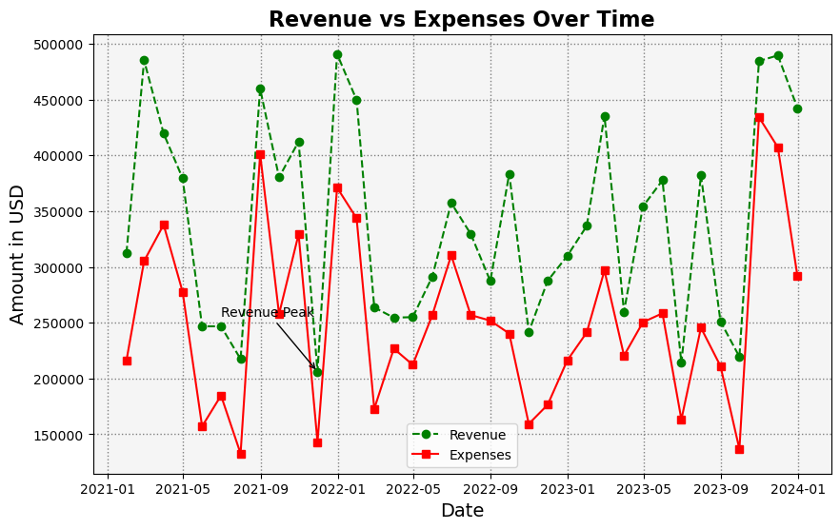
Annotations are useful to highlight specific points on your plot, such as peaks, troughs, or important events.

Explanation:

plt.annotate(): Adds an annotation to highlight important points.
xy=(x, y): The coordinates of the point being annotated.
xytext=(x_text, y_text): Where the text should appear relative to the point.
arrowprops: Customizes the arrow used for annotation (color, style).

Heatmaps
Data Visualization with Python in Excel for Beginners - Heatmaps
Prepare Dummy Financial Data

Let’s create a dummy dataset that mimics monthly financial data over a few years, including Revenue, Expenses, and Profit:

0

You can replace this with your own data

1. Basic Heatmap (Correlation Matrix)

In this first step, we'll create a simple heatmap to visualize the correlations between various financial metrics. We'll calculate the correlation matrix and then plot it using Matplotlib.

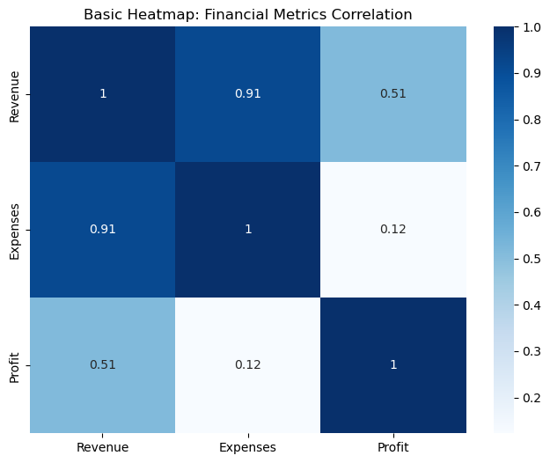

Explanation:

sns.heatmap(): Creates the heatmap.
annot=True: Displays the correlation values inside each cell.
cmap='Blues': Uses the blue color palette for the heatmap.

2. Intermediate Heatmap (Custom Colors and Labels)

Now we’ll enhance the heatmap by adding custom color schemes, labels, and better formatting. This step focuses on making the heatmap more visually appealing.

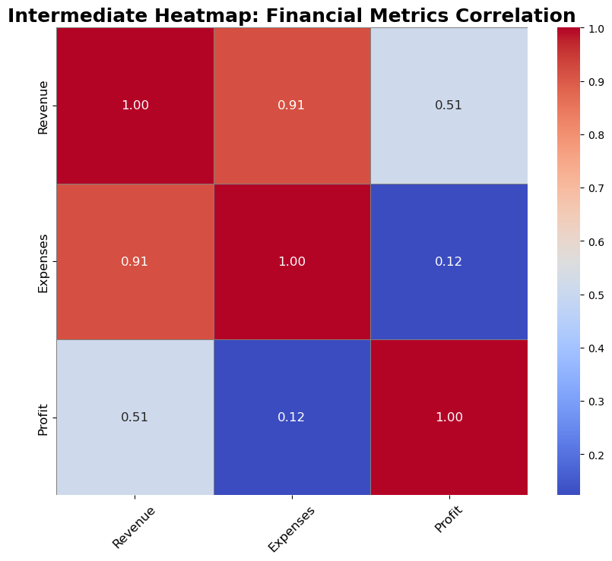

Explanation:

cmap='coolwarm': Changes the color map to a diverging palette from blue to red.
linewidths=0.5 and linecolor='gray': Adds lines between cells to create a grid-like effect.
annot_kws={"size": 12}: Adjusts the font size of the annotations inside the heatmap.
fmt='.2f': Formats the numbers inside the cells to show only 2 decimal places.
xticks and yticks: Adjusts the font size and rotation for better readability.

3. Advanced Heatmap (Annotations, Masking, and Custom Color Palettes)

In this advanced step, we’ll create a visually sophisticated heatmap by adding more customizations. We’ll mask half of the matrix, adjust the colorbar, apply more complex color gradients, and further enhance the layout.

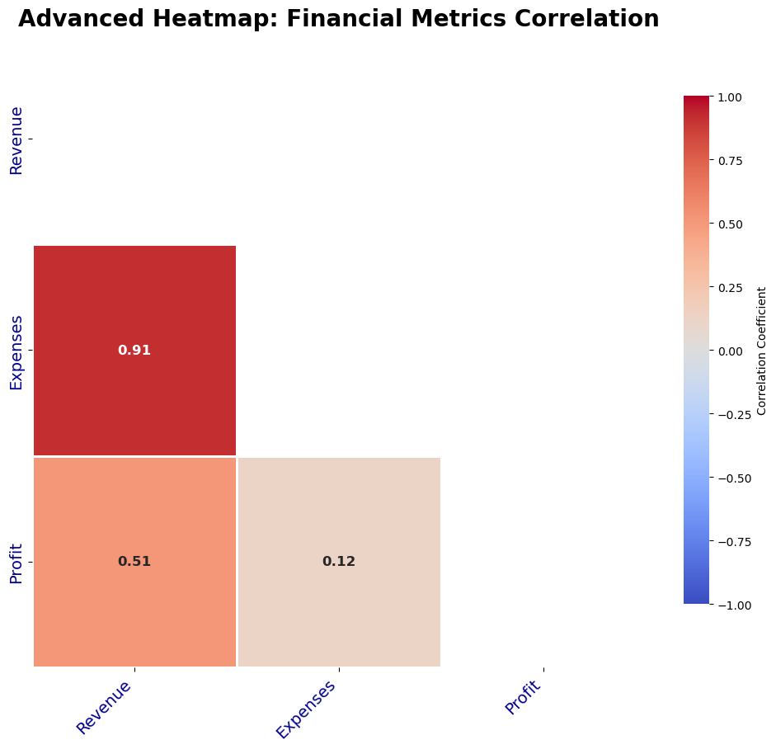

Now let's do an even more advanced use case

For this, we'll create a robust dataset with 6 financial metrics: Revenue, Expenses, Profit, COGS, Operating Income, and Net Income.

 | 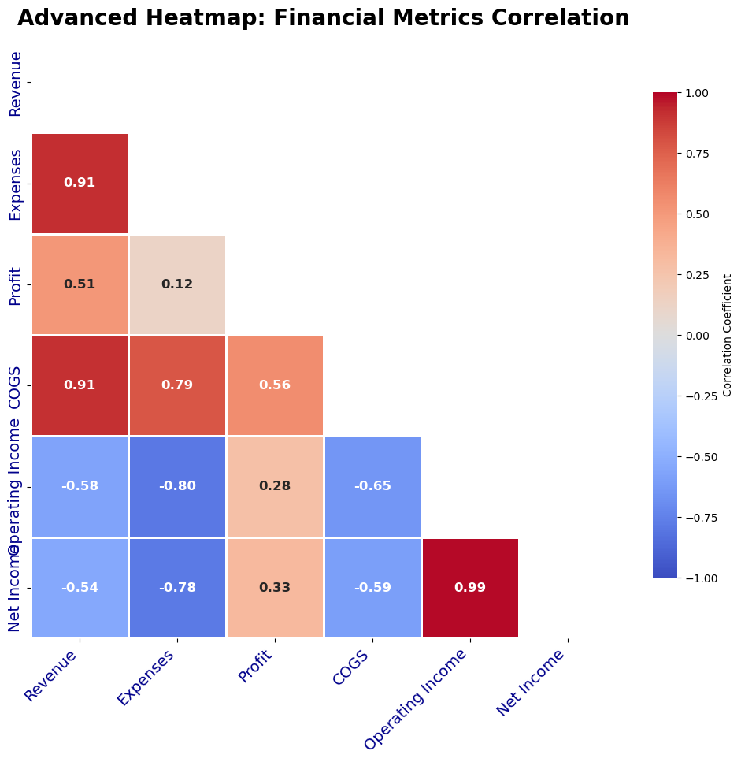

This advanced heatmap will visually display the correlations between six financial metrics (Revenue, Expenses, Profit, COGS, Operating Income, and Net Income). The customization focuses on readability, professional formatting, and data clarity.

You can easily extend this by adding more metrics or applying the same format to other types of financial matrices, such as variances or forecast data.

